IDX3
ROOM Layout Quality & Relational Accuracy Benchmark Report

Total Runs Analyzed: 45 | Metrics: Relational Accuracy, RIGHT/WRONG Relations, Furniture Overlaps, OBB Overlap Area, Out-of-Bounds, Free Floor %, Walkability

Rank | Layout Visualization | Log File Name | Quality Score | Relational Acc (%) | RIGHT Relations | WRONG Relations | WRONG Relation Details | Overlaps (Count) | OBB Overlap (m²) | Out of Bounds | Max OOB Dist (m) | Free Floor % | Walkable Components | Center Clear (m) | Grade Status
#1 | 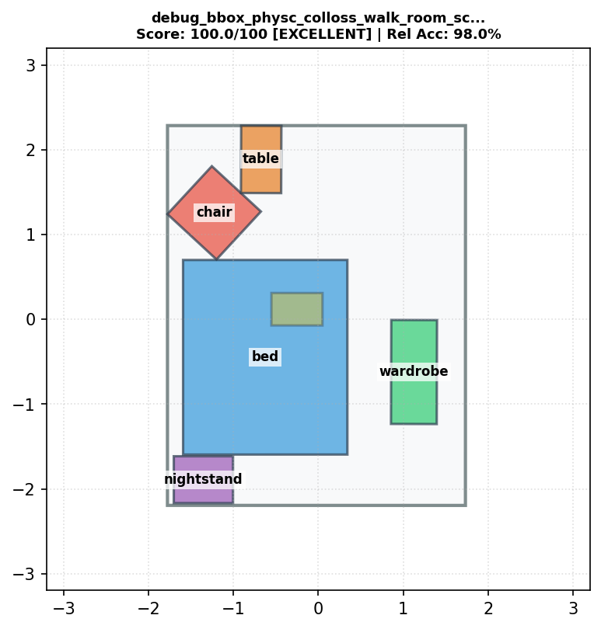 | debug_bbox_physc_colloss_walk_room_scale_1_strength_20_clip_10.1_start_0.95_interval_5_ignore_scene_floor_room_outer_loss_walkable_loss_mixv2_attempt27.txt | 100.0 | 98.0% | 52 | 6 | lamp(6)--[above]-->bed(1), lamp(6)--[above]-->chair(2), bed(1)--[taller than]-->chair(2), lamp(6)--[above]-->table(4), lamp(6)--[above]-->nightstand(3), lamp(6)--[above]-->wardrobe(5) | 0 | 0 | 0 | 0 | 58.8 | 1 | 0 | EXCELLENT
#2 | 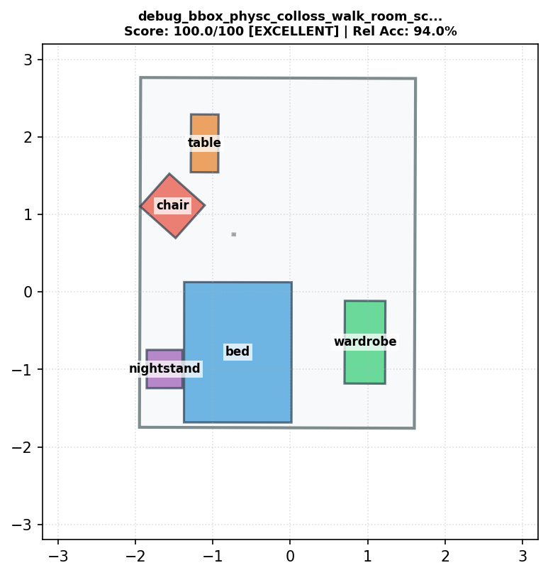 | debug_bbox_physc_colloss_walk_room_scale_1_strength_20_clip_10.1_start_0.95_interval_3_ignore_scene_floor_room_outer_loss_walkable_loss_mixv2_attempt30_noPP_relational10.txt | 100.0 | 94.0% | 50 | 8 | lamp(6)--[above]-->bed(1), lamp(6)--[above]-->chair(2), bed(1)--[taller than]-->chair(2), lamp(6)--[above]-->table(4), table(4)--[shorter than]-->nightstand(3), lamp(6)--[smaller than]-->bed(1), lamp(6)--[above]-->nightstand(3), lamp(6)--[above]-->wardrobe(5) | 0 | 0 | 0 | 0 | 75.6 | 1 | 0 | EXCELLENT
#3 | 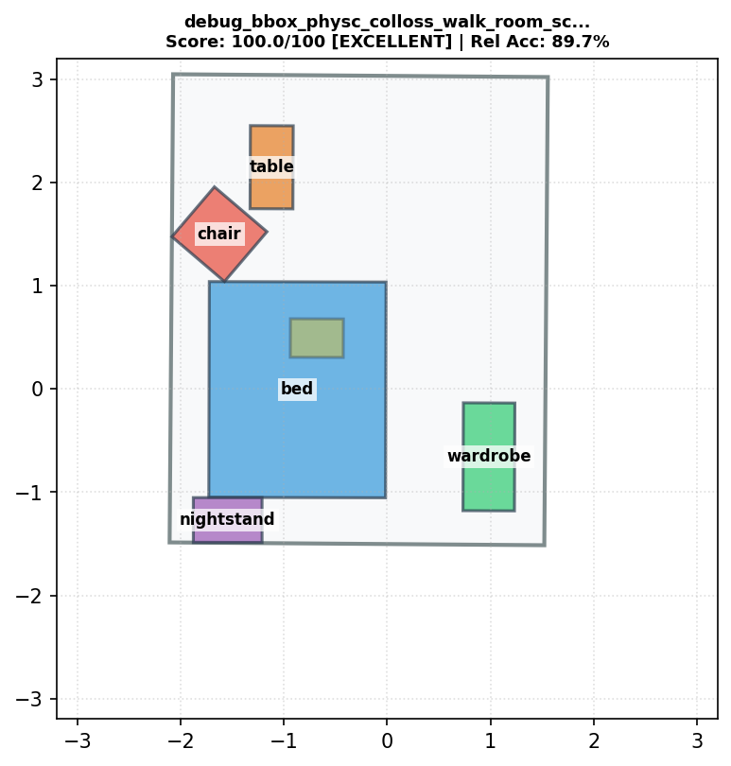 | debug_bbox_physc_colloss_walk_room_scale_1_strength_20_clip_10.1_start_0.9_interval_1_ignore_scene_floor_room_outer_loss_walkable_loss_gaussv1_attempt24.txt | 100.0 | 89.7% | 52 | 6 | lamp(6)--[above]-->bed(1), lamp(6)--[above]-->chair(2), bed(1)--[taller than]-->chair(2), lamp(6)--[above]-->table(4), lamp(6)--[above]-->nightstand(3), lamp(6)--[above]-->wardrobe(5) | 0 | 0 | 0 | 0 | 68.7 | 1 | 0.013 | EXCELLENT
#4 | 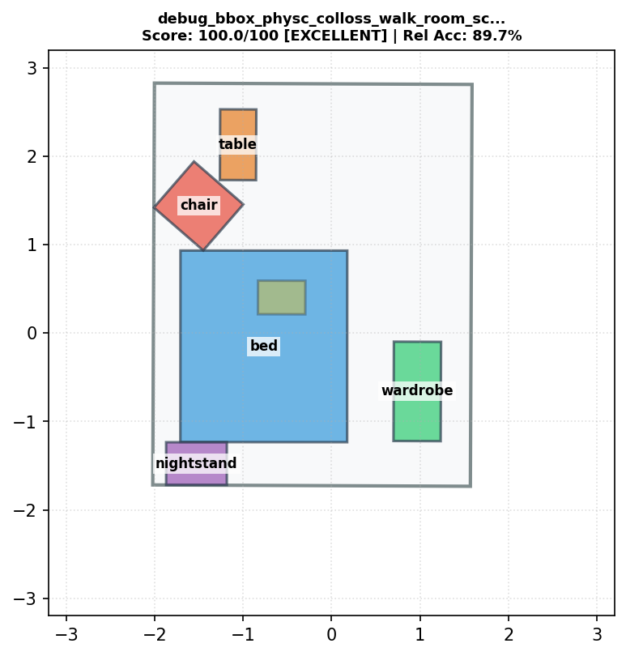 | debug_bbox_physc_colloss_walk_room_scale_1_strength_20_clip_10.1_start_0.9_interval_2_ignore_scene_floor_room_outer_loss_walkable_loss_attempt11.txt | 100.0 | 89.7% | 52 | 6 | lamp(6)--[above]-->bed(1), lamp(6)--[above]-->chair(2), bed(1)--[taller than]-->chair(2), lamp(6)--[above]-->table(4), lamp(6)--[above]-->nightstand(3), lamp(6)--[above]-->wardrobe(5) | 0 | 0 | 0 | 0 | 64.1 | 1 | 0 | EXCELLENT
#5 |  | debug_bbox_physc_colloss_walk_room_scale_1_strength_20_clip_10.1_start_0.9_interval_2_ignore_scene_floor_room_outer_loss_walkable_loss_attempt14.txt | 100.0 | 89.7% | 52 | 6 | lamp(6)--[above]-->bed(1), lamp(6)--[above]-->chair(2), bed(1)--[taller than]-->chair(2), lamp(6)--[above]-->table(4), lamp(6)--[above]-->nightstand(3), lamp(6)--[above]-->wardrobe(5) | 0 | 0 | 0 | 0 | 64.1 | 1 | 0 | EXCELLENT
#6 | 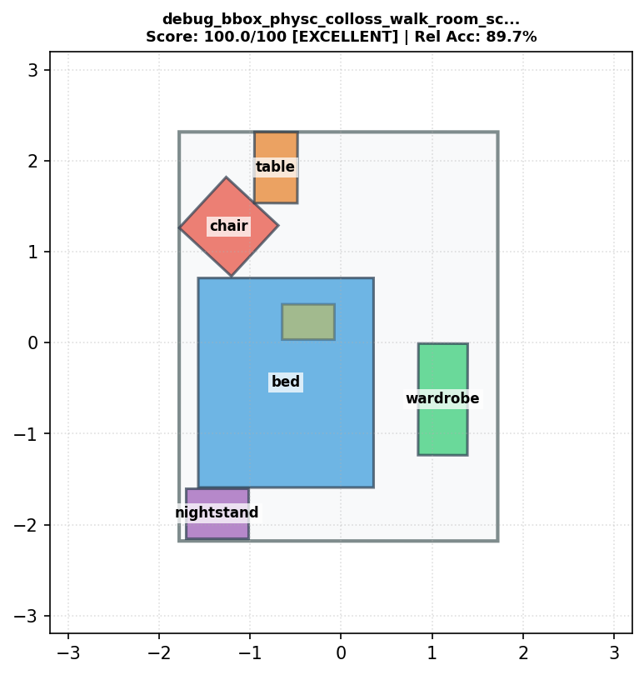 | debug_bbox_physc_colloss_walk_room_scale_1_strength_20_clip_10.1_start_0.9_interval_5_ignore_scene_floor_room_outer_loss_walkable_loss_attempt12.txt | 100.0 | 89.7% | 52 | 6 | lamp(6)--[above]-->bed(1), lamp(6)--[above]-->chair(2), bed(1)--[taller than]-->chair(2), lamp(6)--[above]-->table(4), lamp(6)--[above]-->nightstand(3), lamp(6)--[above]-->wardrobe(5) | 0 | 0 | 0 | 0 | 59.1 | 1 | 0 | EXCELLENT
#7 |  | debug_bbox_physc_colloss_walk_room_scale_1_strength_20_clip_10.1_start_0.9_interval_5_ignore_scene_floor_room_outer_loss_walkable_loss_attempt13.txt | 100.0 | 89.7% | 52 | 6 | lamp(6)--[above]-->bed(1), lamp(6)--[above]-->chair(2), bed(1)--[taller than]-->chair(2), lamp(6)--[above]-->table(4), lamp(6)--[above]-->nightstand(3), lamp(6)--[above]-->wardrobe(5) | 0 | 0 | 0 | 0 | 59.1 | 1 | 0 | EXCELLENT
#8 | 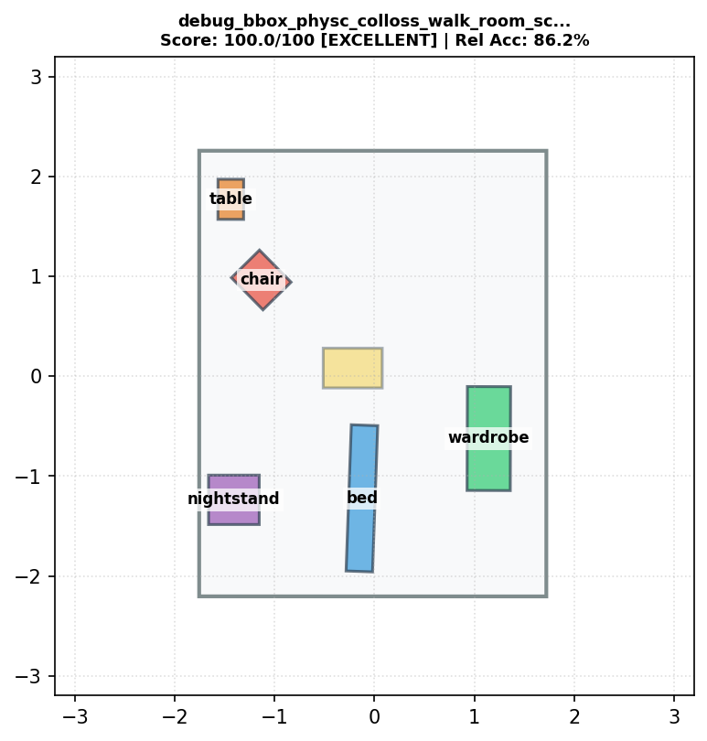 | debug_bbox_physc_colloss_walk_room_scale_1_strength_20_clip_10.1_start_0.8_interval_1_ignore_scene_floor_room_outer_loss_walkable_loss_v3_attempt20.txt | 100.0 | 86.2% | 50 | 8 | lamp(6)--[above]-->bed(1), lamp(6)--[above]-->chair(2), bed(1)--[bigger than]-->wardrobe(5), chair(2)--[bigger than]-->nightstand(3), lamp(6)--[above]-->table(4), table(4)--[bigger than]-->lamp(6), lamp(6)--[above]-->nightstand(3), lamp(6)--[above]-->wardrobe(5) | 0 | 0 | 0 | 0 | 91.2 | 1 | 0.494 | EXCELLENT
#9 | 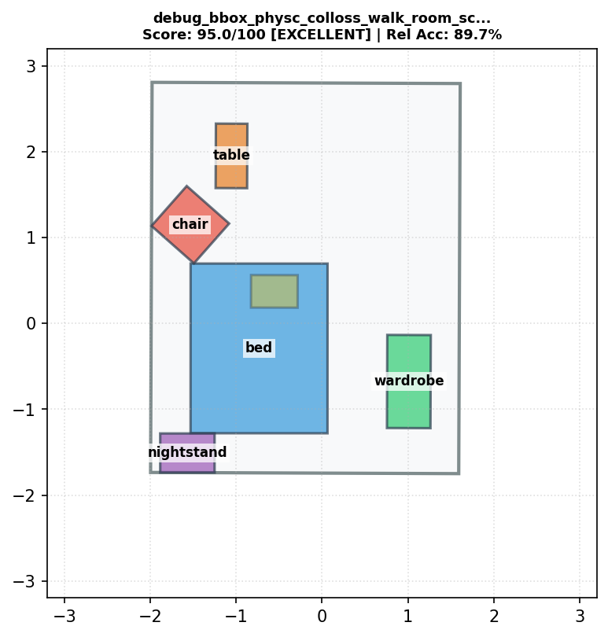 | debug_bbox_physc_colloss_walk_room_scale_1_strength_20_clip_10.1_start_0.9_interval_1_ignore_scene_floor_room_outer_loss_walkable_loss_mixv2_attempt26.txt | 95.0 | 89.7% | 52 | 6 | lamp(6)--[above]-->bed(1), lamp(6)--[above]-->chair(2), bed(1)--[taller than]-->chair(2), lamp(6)--[above]-->table(4), lamp(6)--[above]-->nightstand(3), lamp(6)--[above]-->wardrobe(5) | 0 | 0 | 1 | 0.001 | 71.3 | 1 | 0 | EXCELLENT
#10 | 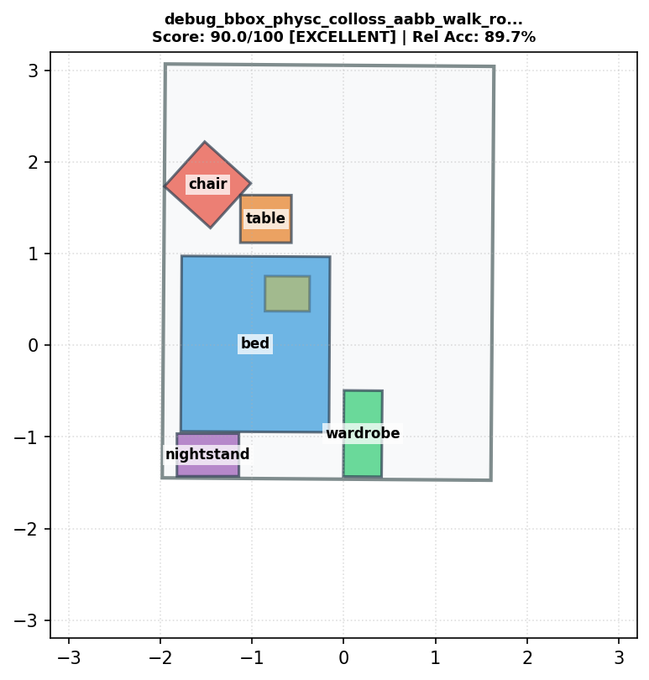 | debug_bbox_physc_colloss_aabb_walk_room_scale_1_strength_20_clip_10.1_start_0.8_interval_1_ignore_scene_floor_room_outer_loss_walkable_loss_gaussv1_attempt8_weight1_clip10.1.txt | 90.0 | 89.7% | 52 | 6 | lamp(6)--[above]-->bed(1), lamp(6)--[above]-->chair(2), bed(1)--[taller than]-->chair(2), lamp(6)--[above]-->table(4), lamp(6)--[above]-->nightstand(3), lamp(6)--[above]-->wardrobe(5) | 1 | 0 | 0 | 0 | 72 | 1 | 0.156 | EXCELLENT
#11 | 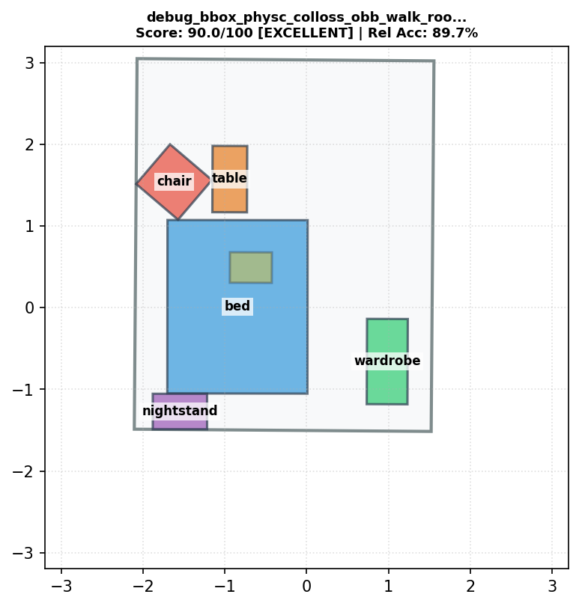 | debug_bbox_physc_colloss_obb_walk_room_scale_1_strength_20_clip_10.1_start_0.9_interval_1_ignore_scene_floor_room_outer_loss_walkable_loss_gaussv1_attempt7_weight1_clip10.1.txt | 90.0 | 89.7% | 52 | 6 | lamp(6)--[above]-->bed(1), lamp(6)--[above]-->chair(2), bed(1)--[taller than]-->chair(2), lamp(6)--[above]-->table(4), lamp(6)--[above]-->nightstand(3), lamp(6)--[above]-->wardrobe(5) | 1 | 0 | 0 | 0 | 68.3 | 1 | 0 | EXCELLENT
#12 | 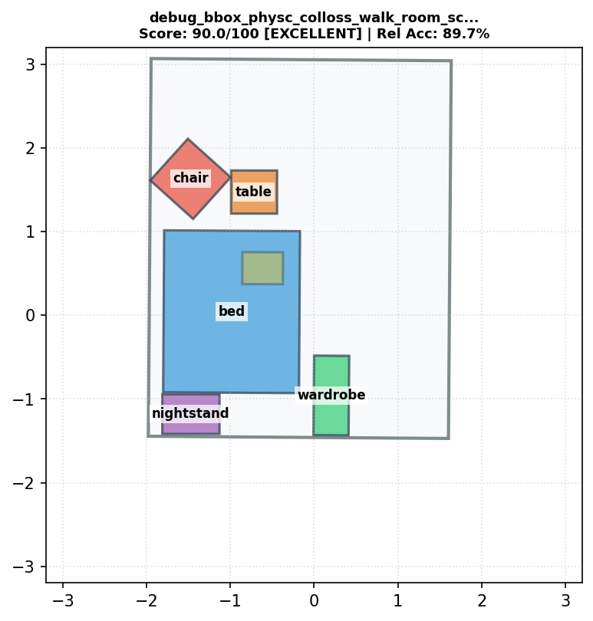 | debug_bbox_physc_colloss_walk_room_scale_1_strength_20_clip_10.1_start_0.8_interval_1_ignore_scene_floor_room_outer_loss_walkable_loss_v3_attempt18.txt | 90.0 | 89.7% | 52 | 6 | lamp(6)--[above]-->bed(1), lamp(6)--[above]-->chair(2), bed(1)--[taller than]-->chair(2), lamp(6)--[above]-->table(4), lamp(6)--[above]-->nightstand(3), lamp(6)--[above]-->wardrobe(5) | 1 | 0 | 0 | 0 | 71.5 | 1 | 0.174 | EXCELLENT
#13 | 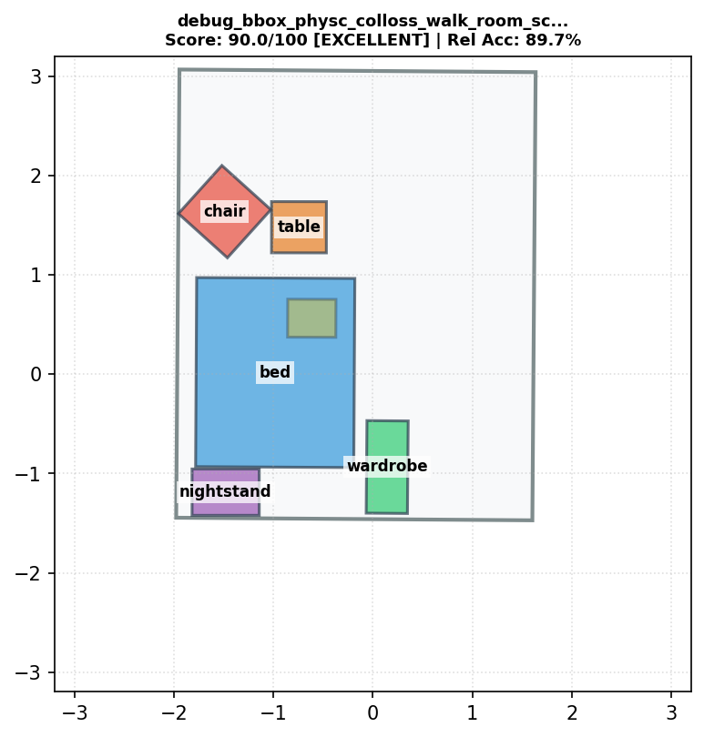 | debug_bbox_physc_colloss_walk_room_scale_1_strength_20_clip_10.1_start_0.8_interval_1_ignore_scene_floor_room_outer_loss_walkable_loss_v3_attempt19.txt | 90.0 | 89.7% | 52 | 6 | lamp(6)--[above]-->bed(1), lamp(6)--[above]-->chair(2), bed(1)--[taller than]-->chair(2), lamp(6)--[above]-->table(4), lamp(6)--[above]-->nightstand(3), lamp(6)--[above]-->wardrobe(5) | 1 | 0 | 0 | 0 | 72.5 | 1 | 0.187 | EXCELLENT
#14 |  | debug_bbox_physc_colloss_walk_room_scale_1_strength_20_clip_10.1_start_0.9_interval_1_ignore_scene_floor_room_outer_loss_walkable_loss_attempt2.txt | 90.0 | 89.7% | 52 | 6 | lamp(6)--[above]-->bed(1), lamp(6)--[above]-->chair(2), bed(1)--[taller than]-->chair(2), lamp(6)--[above]-->table(4), lamp(6)--[above]-->nightstand(3), lamp(6)--[above]-->wardrobe(5) | 1 | 0 | 0 | 0 | 68.4 | 1 | 0.008 | EXCELLENT
#15 |  | debug_bbox_physc_colloss_walk_room_scale_1_strength_20_clip_10.1_start_0.9_interval_1_ignore_scene_floor_room_outer_loss_walkable_loss_attempt3_weight10.txt | 90.0 | 89.7% | 52 | 6 | lamp(6)--[above]-->bed(1), lamp(6)--[above]-->chair(2), bed(1)--[taller than]-->chair(2), lamp(6)--[above]-->table(4), lamp(6)--[above]-->nightstand(3), lamp(6)--[above]-->wardrobe(5) | 1 | 0 | 0 | 0 | 68.4 | 1 | 0 | EXCELLENT
#16 | 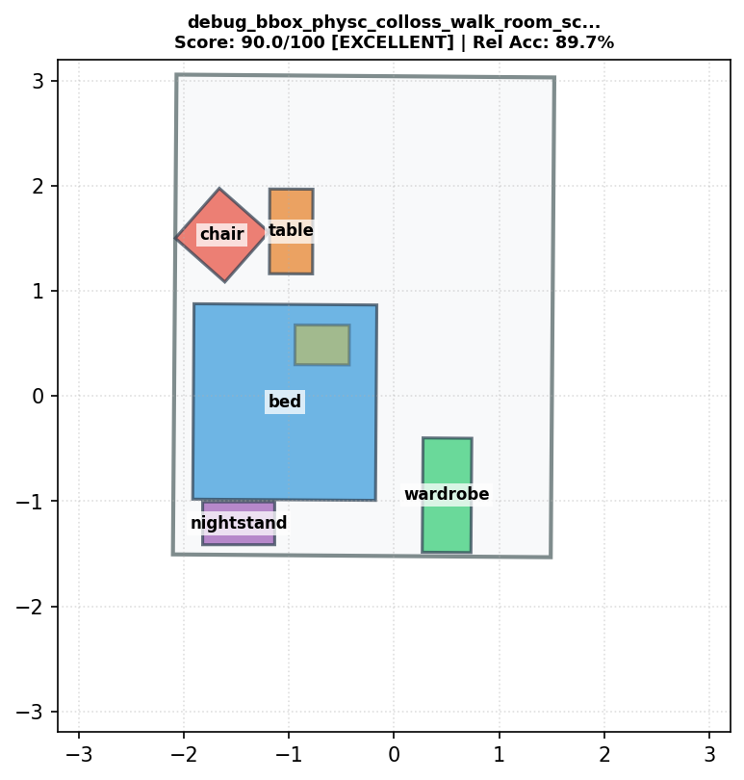 | debug_bbox_physc_colloss_walk_room_scale_1_strength_20_clip_10.1_start_0.9_interval_1_ignore_scene_floor_room_outer_loss_walkable_loss_attempt4_weight10_clip20.txt | 90.0 | 89.7% | 52 | 6 | lamp(6)--[above]-->bed(1), lamp(6)--[above]-->chair(2), bed(1)--[taller than]-->chair(2), lamp(6)--[above]-->table(4), lamp(6)--[above]-->nightstand(3), lamp(6)--[above]-->wardrobe(5) | 1 | 0 | 0 | 0 | 71.1 | 1 | 0.17 | EXCELLENT
#17 |  | debug_bbox_physc_colloss_walk_room_scale_1_strength_20_clip_10.1_start_0.9_interval_1_ignore_scene_floor_room_outer_loss_walkable_loss_attempt9.txt | 90.0 | 89.7% | 52 | 6 | lamp(6)--[above]-->bed(1), lamp(6)--[above]-->chair(2), bed(1)--[taller than]-->chair(2), lamp(6)--[above]-->table(4), lamp(6)--[above]-->nightstand(3), lamp(6)--[above]-->wardrobe(5) | 1 | 0 | 0 | 0 | 68.3 | 1 | 0 | EXCELLENT
#18 |  | debug_bbox_physc_colloss_walk_room_scale_1_strength_20_clip_10.1_start_0.9_interval_1_ignore_scene_floor_room_outer_loss_walkable_loss_attempt10.txt | 90.0 | 89.7% | 52 | 6 | lamp(6)--[above]-->bed(1), lamp(6)--[above]-->chair(2), bed(1)--[taller than]-->chair(2), lamp(6)--[above]-->table(4), lamp(6)--[above]-->nightstand(3), lamp(6)--[above]-->wardrobe(5) | 1 | 0 | 0 | 0 | 68.2 | 1 | 0 | EXCELLENT
#19 | 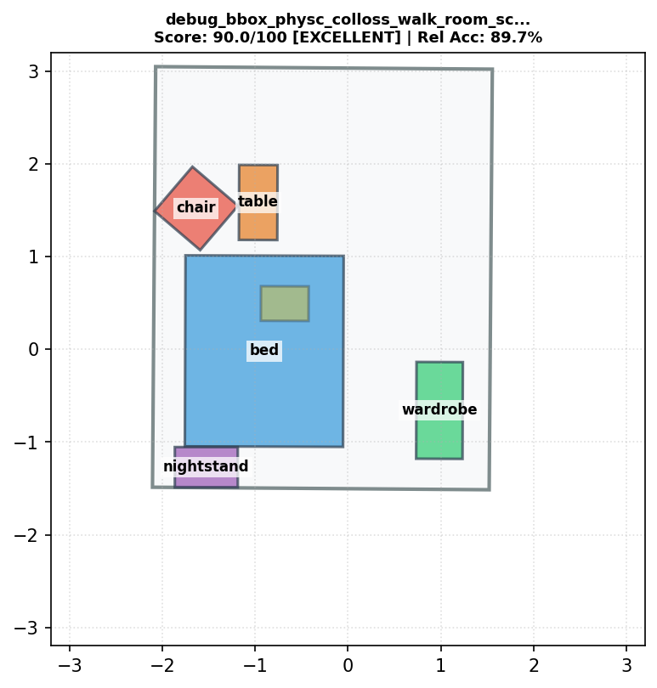 | debug_bbox_physc_colloss_walk_room_scale_1_strength_20_clip_10.1_start_0.9_interval_1_ignore_scene_floor_room_outer_loss_walkable_loss_attempt23.txt | 90.0 | 89.7% | 52 | 6 | lamp(6)--[above]-->bed(1), lamp(6)--[above]-->chair(2), bed(1)--[taller than]-->chair(2), lamp(6)--[above]-->table(4), lamp(6)--[above]-->nightstand(3), lamp(6)--[above]-->wardrobe(5) | 1 | 0 | 0 | 0 | 69.2 | 1 | 0.05 | EXCELLENT
#20 | 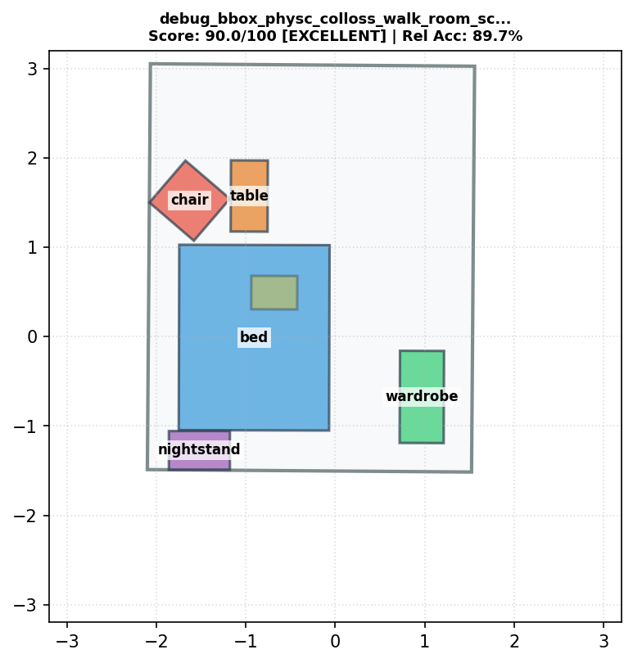 | debug_bbox_physc_colloss_walk_room_scale_1_strength_20_clip_10.1_start_0.9_interval_1_ignore_scene_floor_room_outer_loss_walkable_loss_mixv1_attempt25.txt | 90.0 | 89.7% | 52 | 6 | lamp(6)--[above]-->bed(1), lamp(6)--[above]-->chair(2), bed(1)--[taller than]-->chair(2), lamp(6)--[above]-->table(4), lamp(6)--[above]-->nightstand(3), lamp(6)--[above]-->wardrobe(5) | 1 | 0 | 0 | 0 | 69.5 | 1 | 0.066 | EXCELLENT
#21 | 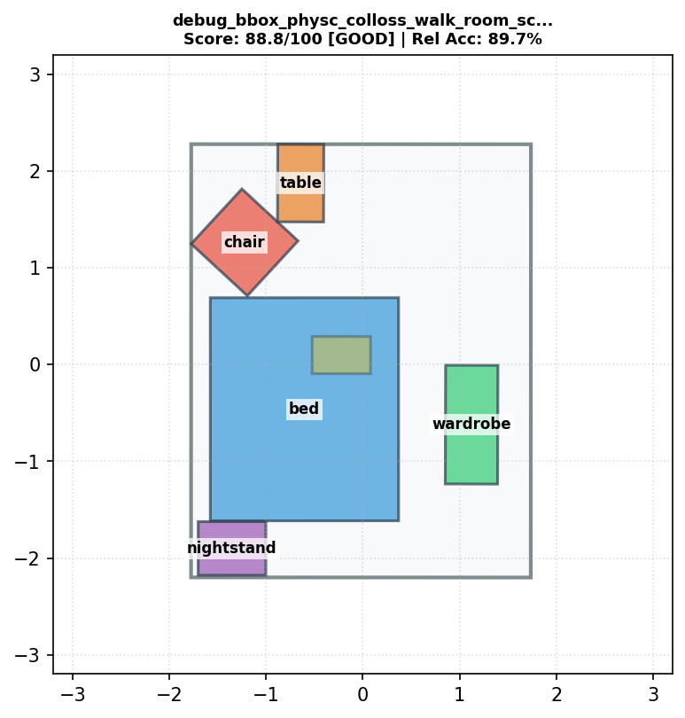 | debug_bbox_physc_colloss_walk_room_scale_1_strength_20_clip_10.1_start_0.95_interval_5_ignore_scene_floor_room_outer_loss_walkable_loss_v3_attempt22_agent_size35.txt | 88.8 | 89.7% | 52 | 6 | lamp(6)--[above]-->bed(1), lamp(6)--[above]-->chair(2), bed(1)--[taller than]-->chair(2), lamp(6)--[above]-->table(4), lamp(6)--[above]-->nightstand(3), lamp(6)--[above]-->wardrobe(5) | 1 | 0 | 0 | 0 | 58.5 | 1 | 0 | GOOD
#22 | 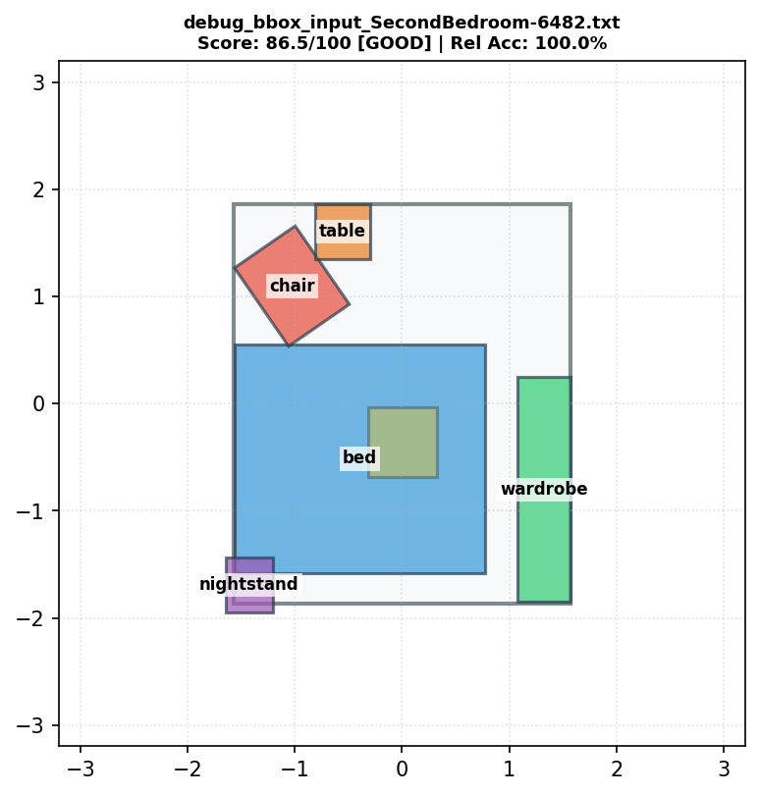 | debug_bbox_input_SecondBedroom-6482.txt | 86.5 | 100.0% | 53 | 5 | lamp(6)--[above]-->bed(1), lamp(6)--[above]-->chair(2), lamp(6)--[above]-->table(4), lamp(6)--[above]-->nightstand(3), lamp(6)--[above]-->wardrobe(5) | 0 | 0.0515 | 1 | 0.1091 | 40.4 | 1 | 0 | GOOD
#23 |  | debug_bbox_physc_colloss_obb_walk_room_scale_1_strength_20_clip_10.1_start_0.9_interval_1_ignore_scene_floor_room_outer_loss_walkable_loss_gaussv1_attempt6_weight10_clip10.1.txt | 70.0 | 89.7% | 52 | 6 | lamp(6)--[above]-->bed(1), lamp(6)--[above]-->chair(2), bed(1)--[taller than]-->chair(2), lamp(6)--[above]-->table(4), lamp(6)--[above]-->nightstand(3), lamp(6)--[above]-->wardrobe(5) | 2 | 0 | 0 | 0 | 68.5 | 1 | 0.004 | MINOR ISSUES
#24 | 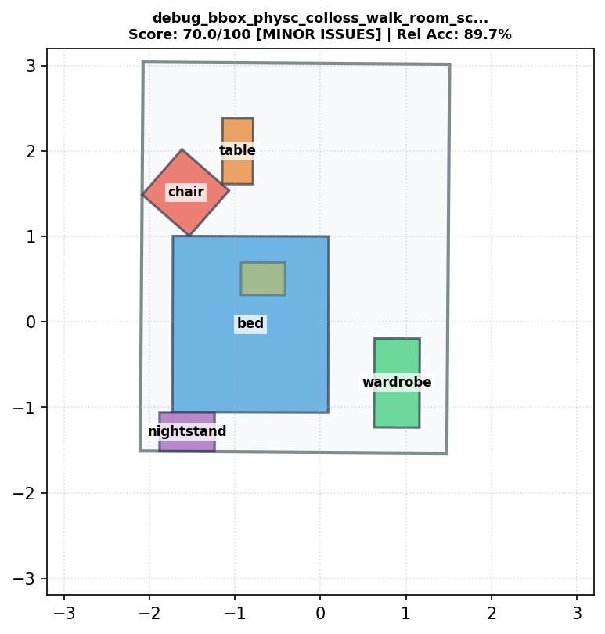 | debug_bbox_physc_colloss_walk_room_scale_1_strength_20_clip_10.1_start_0.95_interval_1_ignore_scene_floor_room_outer_loss_walkable_loss_attempt5_weight10_clip10.1.txt | 70.0 | 89.7% | 52 | 6 | lamp(6)--[above]-->bed(1), lamp(6)--[above]-->chair(2), bed(1)--[taller than]-->chair(2), lamp(6)--[above]-->table(4), lamp(6)--[above]-->nightstand(3), lamp(6)--[above]-->wardrobe(5) | 2 | 0 | 0 | 0 | 66.9 | 1 | 0 | MINOR ISSUES
#25 | 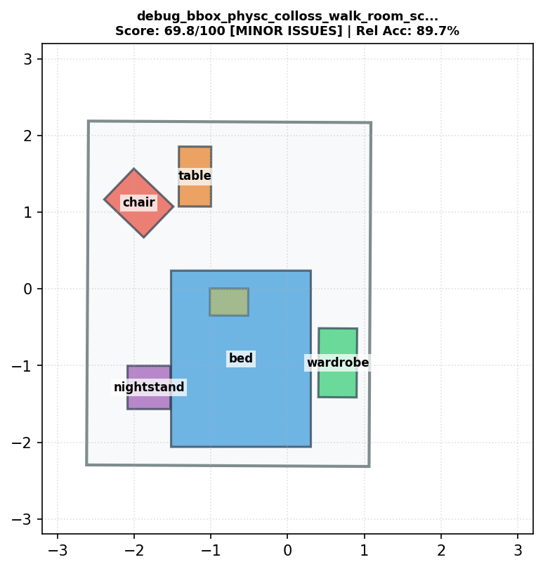 | debug_bbox_physc_colloss_walk_room_scale_1_strength_20_clip_10.1_start_0.2_interval_1_ignore_scene_floor_room_outer_loss_walkable_loss_attempt16.txt | 69.8 | 89.7% | 52 | 6 | lamp(6)--[above]-->bed(1), lamp(6)--[above]-->chair(2), lamp(6)--[above]-->table(4), table(4)--[shorter than]-->nightstand(3), lamp(6)--[above]-->nightstand(3), lamp(6)--[above]-->wardrobe(5) | 2 | 0 | 0 | 0 | 65.6 | 1 | 0 | MINOR ISSUES
#26 | 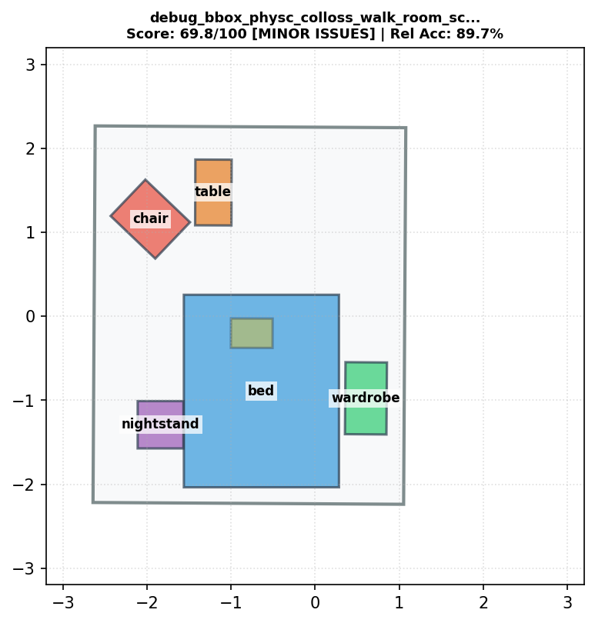 | debug_bbox_physc_colloss_walk_room_scale_1_strength_20_clip_10.1_start_0.4_interval_1_ignore_scene_floor_room_outer_loss_walkable_loss_attempt15.txt | 69.8 | 89.7% | 52 | 6 | lamp(6)--[above]-->bed(1), lamp(6)--[above]-->chair(2), lamp(6)--[above]-->table(4), table(4)--[shorter than]-->nightstand(3), lamp(6)--[above]-->nightstand(3), lamp(6)--[above]-->wardrobe(5) | 2 | 0 | 0 | 0 | 65.4 | 1 | 0 | MINOR ISSUES
#27 | 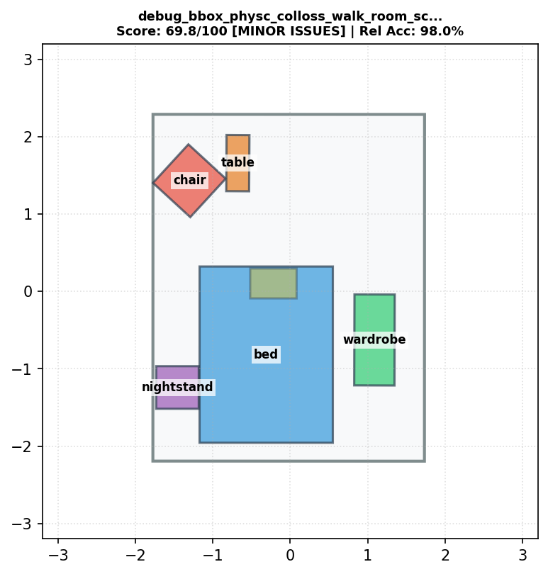 | debug_bbox_physc_colloss_walk_room_scale_1_strength_20_clip_10.1_start_0.9_interval_1_ignore_scene_floor_room_outer_loss_walkable_loss_v3_attempt21.txt | 69.8 | 98.0% | 52 | 6 | lamp(6)--[above]-->bed(1), lamp(6)--[above]-->chair(2), bed(1)--[taller than]-->chair(2), lamp(6)--[above]-->table(4), lamp(6)--[above]-->nightstand(3), lamp(6)--[above]-->wardrobe(5) | 2 | 0 | 0 | 0 | 65.1 | 1 | 0 | MINOR ISSUES
#28 | 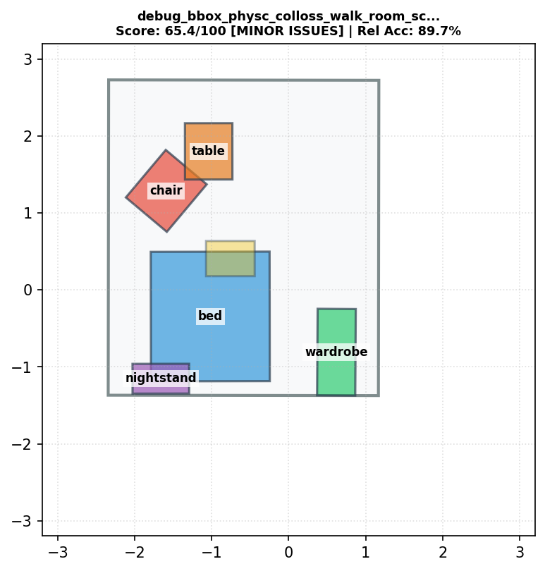 | debug_bbox_physc_colloss_walk_room_scale_1_strength_20_clip_10.1_start_0.9_interval_1_ignore_scene_floor_room_outer_loss_walkable_loss.txt | 65.4 | 89.7% | 52 | 6 | lamp(6)--[above]-->bed(1), lamp(6)--[above]-->chair(2), bed(1)--[taller than]-->chair(2), lamp(6)--[above]-->table(4), lamp(6)--[above]-->nightstand(3), lamp(6)--[above]-->wardrobe(5) | 2 | 0.1312 | 0 | 0 | 70 | 1 | 0.247 | MINOR ISSUES
#29 | 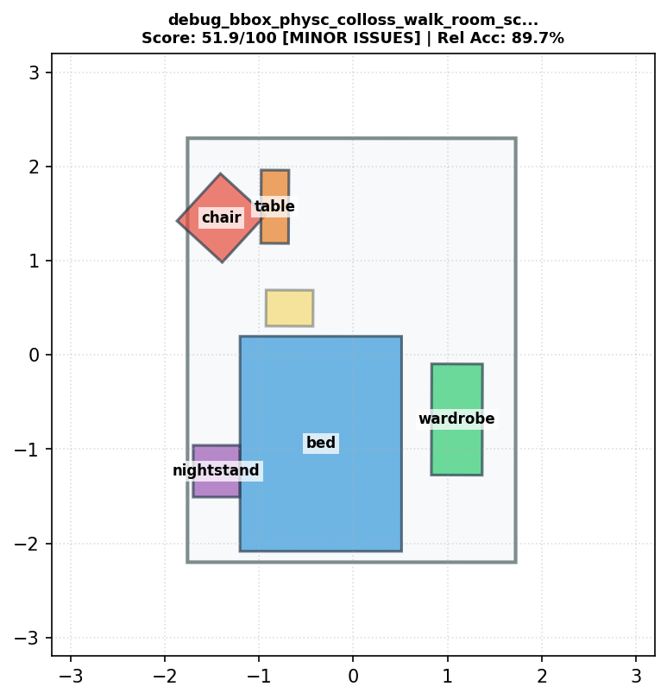 | debug_bbox_physc_colloss_walk_room_scale_1_strength_20_clip_10.1_start_0.9_interval_1_ignore_scene_floor_room_outer_loss.txt | 51.9 | 89.7% | 52 | 6 | lamp(6)--[above]-->bed(1), lamp(6)--[above]-->chair(2), bed(1)--[taller than]-->chair(2), lamp(6)--[above]-->table(4), lamp(6)--[above]-->nightstand(3), lamp(6)--[above]-->wardrobe(5) | 2 | 0.0024 | 1 | 0.1121 | 65.1 | 1 | 0 | MINOR ISSUES
#30 | 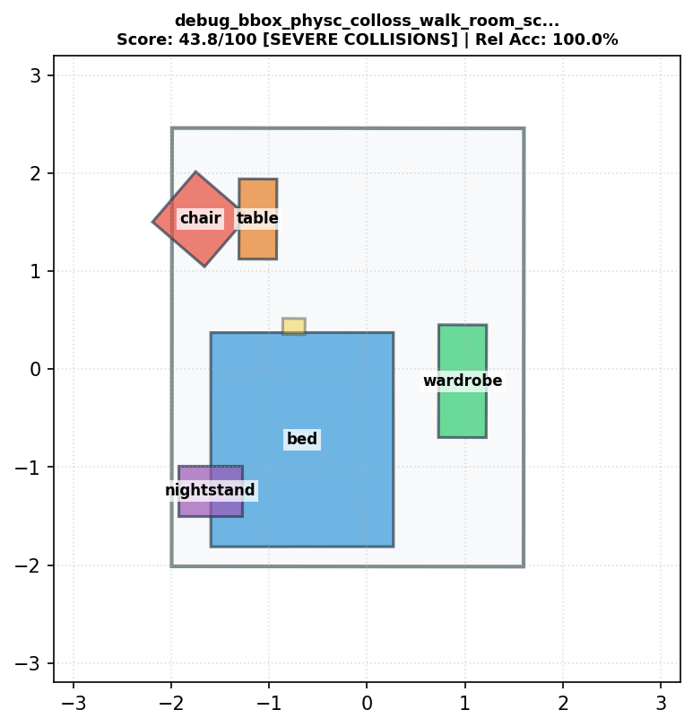 | debug_bbox_physc_colloss_walk_room_scale_1_strength_20_clip_10.1_start_0.5_interval_3_ignore_scene_floor_room_outer_loss_walkable_loss_mixv2_attempt32_noPP_relational1.txt | 43.8 | 100.0% | 53 | 5 | lamp(6)--[above]-->bed(1), lamp(6)--[above]-->chair(2), lamp(6)--[above]-->table(4), lamp(6)--[above]-->nightstand(3), lamp(6)--[above]-->wardrobe(5) | 2 | 0.1724 | 1 | 0.1986 | 65.5 | 1 | 0 | SEVERE COLLISIONS
#31 | 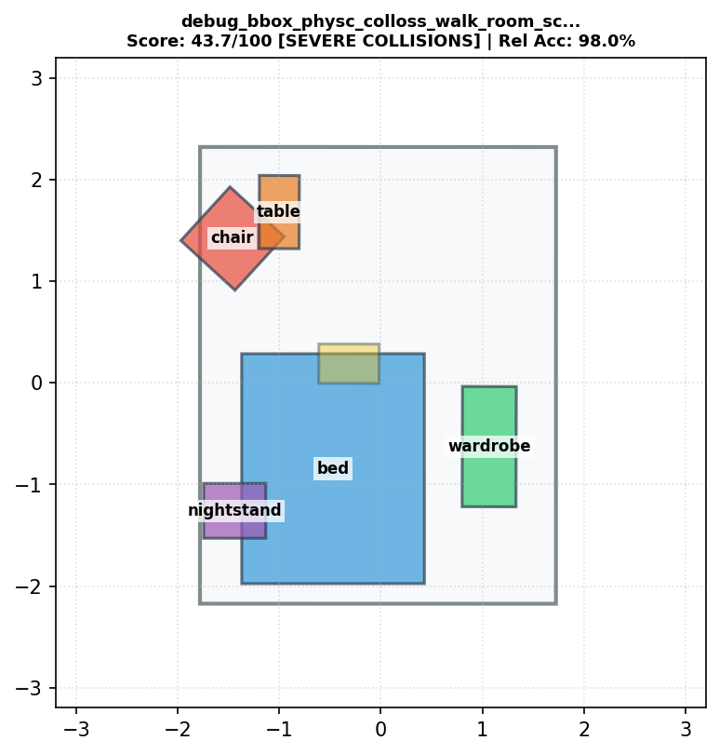 | debug_bbox_physc_colloss_walk_room_scale_1_strength_20_clip_10.1_start_0.95_interval_1_ignore_scene_floor_room_outer_loss_walkable_loss_mixv2_attempt32_noPP_relational1.txt | 43.7 | 98.0% | 52 | 6 | lamp(6)--[above]-->bed(1), lamp(6)--[above]-->chair(2), bed(1)--[taller than]-->chair(2), lamp(6)--[above]-->table(4), lamp(6)--[above]-->nightstand(3), lamp(6)--[above]-->wardrobe(5) | 2 | 0.1783 | 1 | 0.1893 | 64.4 | 1 | 0 | SEVERE COLLISIONS
#32 |  | debug_bbox_physc_colloss_walk_room_scale_1_strength_20_clip_10.1_start_0.95_interval_3_ignore_scene_floor_room_outer_loss_walkable_loss_mixv2_attempt31_noPP_relational1.txt | 43.7 | 98.0% | 52 | 6 | lamp(6)--[above]-->bed(1), lamp(6)--[above]-->chair(2), bed(1)--[taller than]-->chair(2), lamp(6)--[above]-->table(4), lamp(6)--[above]-->nightstand(3), lamp(6)--[above]-->wardrobe(5) | 2 | 0.1783 | 1 | 0.1893 | 64.4 | 1 | 0 | SEVERE COLLISIONS
#33 | 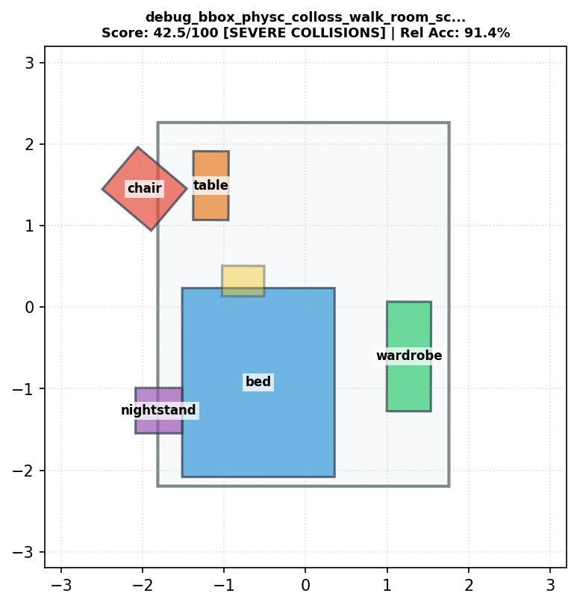 | debug_bbox_physc_colloss_walk_room_scale_1_strength_20_clip_10.1_start_0.9_interval_1_ignore_scene_floor.txt | 42.5 | 91.4% | 53 | 5 | lamp(6)--[above]-->bed(1), lamp(6)--[above]-->chair(2), lamp(6)--[above]-->table(4), lamp(6)--[above]-->nightstand(3), lamp(6)--[above]-->wardrobe(5) | 1 | 0.0002 | 2 | 0.6827 | 64.1 | 1 | 0 | SEVERE COLLISIONS
#34 | 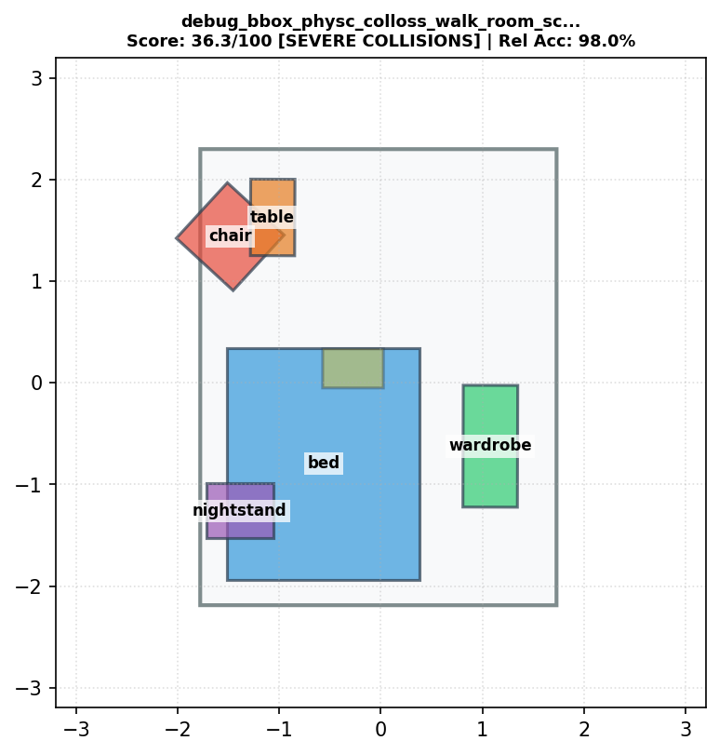 | debug_bbox_physc_colloss_walk_room_scale_1_strength_20_clip_10.1_start_0.95_interval_3_ignore_scene_floor_room_outer_loss_walkable_loss_mixv2_attempt29_noPP.txt | 36.3 | 98.0% | 52 | 6 | lamp(6)--[above]-->bed(1), lamp(6)--[above]-->chair(2), bed(1)--[taller than]-->chair(2), lamp(6)--[above]-->table(4), lamp(6)--[above]-->nightstand(3), lamp(6)--[above]-->wardrobe(5) | 2 | 0.3494 | 1 | 0.2363 | 63 | 1 | 0 | SEVERE COLLISIONS
#35 | 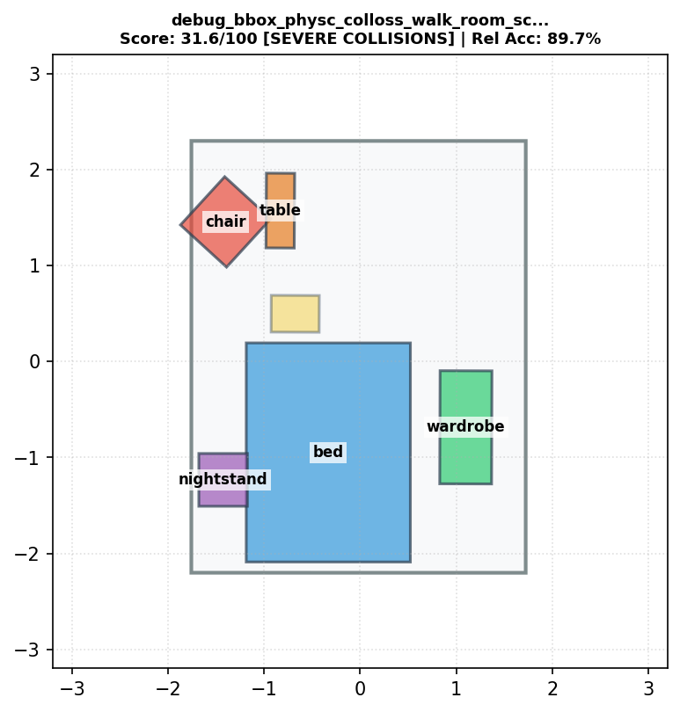 | debug_bbox_physc_colloss_walk_room_scale_1_strength_20_clip_10.1_start_0.9_interval_1_ignore_scene_floor_room_outer_loss_attempt2.txt | 31.6 | 89.7% | 52 | 6 | lamp(6)--[above]-->bed(1), lamp(6)--[above]-->chair(2), bed(1)--[taller than]-->chair(2), lamp(6)--[above]-->table(4), lamp(6)--[above]-->nightstand(3), lamp(6)--[above]-->wardrobe(5) | 3 | 0.0089 | 1 | 0.1136 | 65.1 | 1 | 0 | SEVERE COLLISIONS
#36 |  | debug_bbox_physc_colloss_walk_room_scale_1_strength_20_clip_10.1_start_0.95_interval_5_ignore_scene_floor_room_outer_loss_walkable_loss_mixv2_attempt27_noPP.txt | 29.9 | 98.0% | 52 | 6 | lamp(6)--[above]-->bed(1), lamp(6)--[above]-->chair(2), bed(1)--[taller than]-->chair(2), lamp(6)--[above]-->table(4), lamp(6)--[above]-->nightstand(3), lamp(6)--[above]-->wardrobe(5) | 2 | 0.5177 | 1 | 0.2528 | 62.5 | 1 | 0 | SEVERE COLLISIONS
#37 | 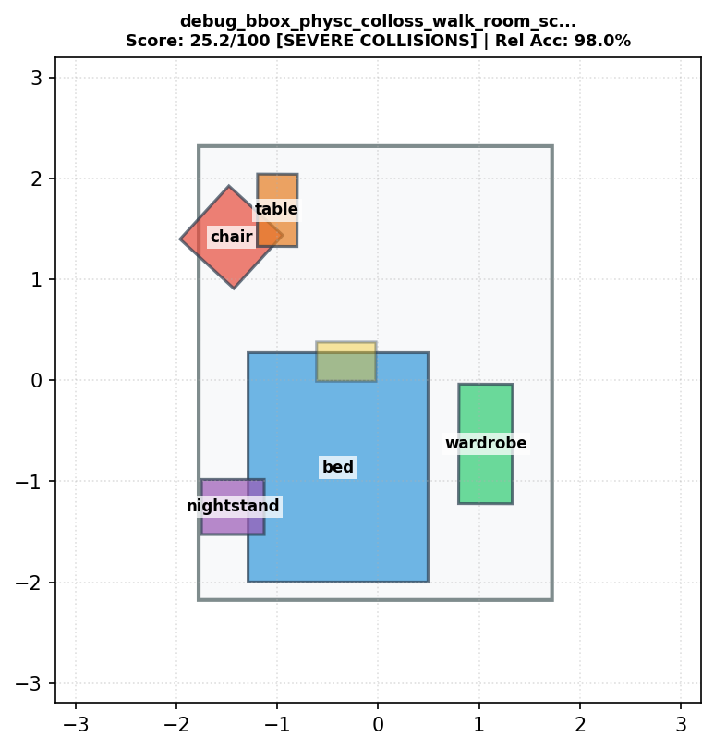 | debug_bbox_physc_colloss_walk_room_scale_1_strength_20_clip_10.1_start_0.95_interval_2_ignore_scene_floor_room_outer_loss_walkable_loss_mixv2_attempt28_noPP.txt | 25.2 | 98.0% | 52 | 6 | lamp(6)--[above]-->bed(1), lamp(6)--[above]-->chair(2), bed(1)--[taller than]-->chair(2), lamp(6)--[above]-->table(4), lamp(6)--[above]-->nightstand(3), lamp(6)--[above]-->wardrobe(5) | 3 | 0.1381 | 1 | 0.1848 | 64.1 | 1 | 0 | SEVERE COLLISIONS
#38 | 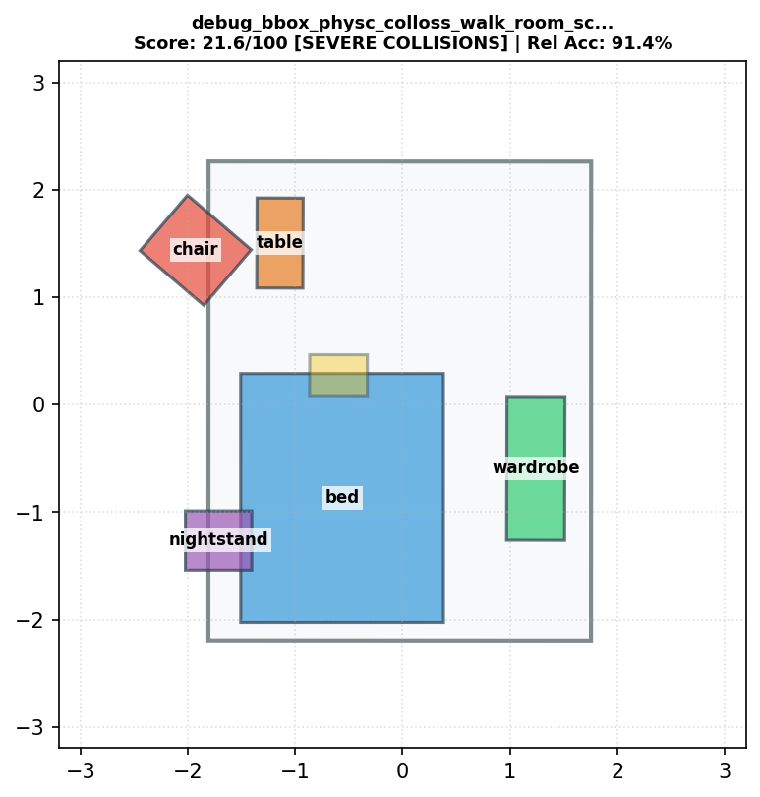 | debug_bbox_physc_colloss_walk_room_scale_1_strength_10_clip_10.1_start_0.9_interval_1_ignore_scene_floor.txt | 21.6 | 91.4% | 53 | 5 | lamp(6)--[above]-->bed(1), lamp(6)--[above]-->chair(2), lamp(6)--[above]-->table(4), lamp(6)--[above]-->nightstand(3), lamp(6)--[above]-->wardrobe(5) | 2 | 0.0571 | 2 | 0.6384 | 63.6 | 1 | 0 | SEVERE COLLISIONS
#39 | 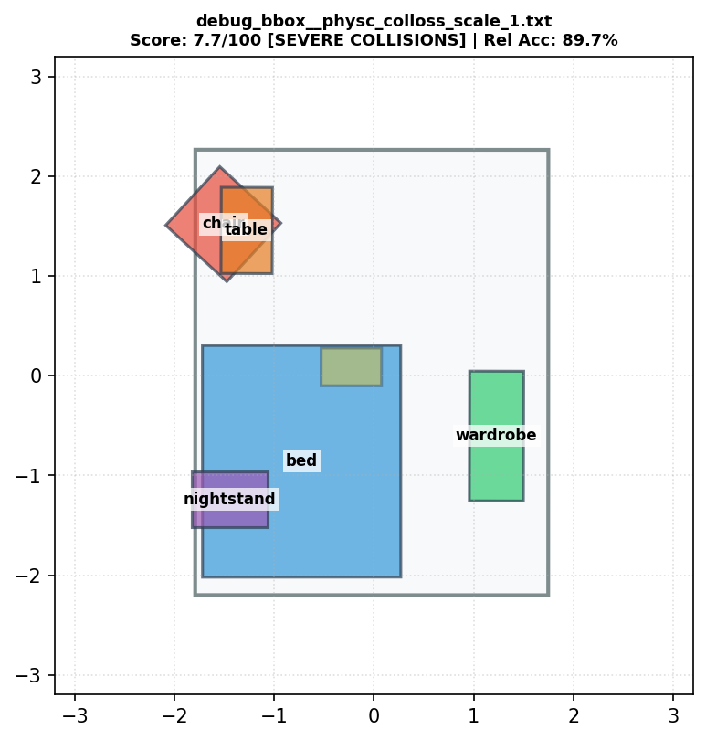 | debug_bbox__physc_colloss_scale_1.txt | 7.7 | 89.7% | 52 | 6 | lamp(6)--[above]-->bed(1), lamp(6)--[above]-->chair(2), bed(1)--[taller than]-->chair(2), lamp(6)--[above]-->table(4), lamp(6)--[above]-->nightstand(3), lamp(6)--[above]-->wardrobe(5) | 2 | 0.689 | 2 | 0.2967 | 61.6 | 1 | 0 | SEVERE COLLISIONS
#40 | 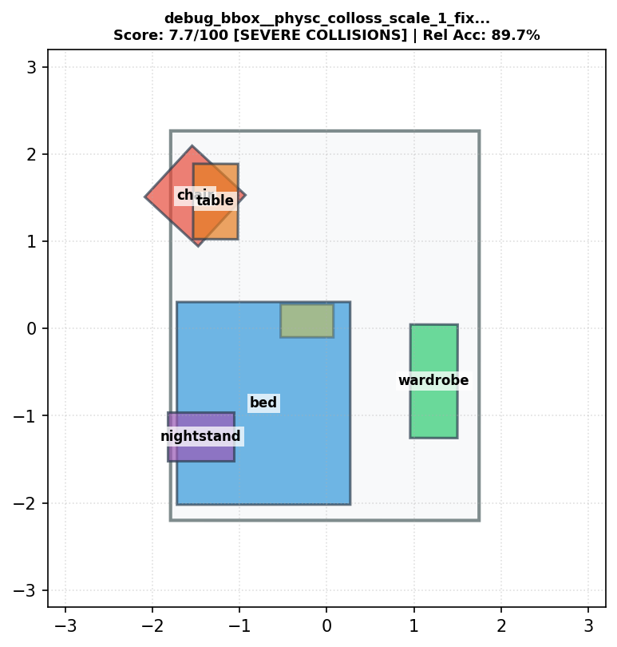 | debug_bbox__physc_colloss_scale_1_fixed.txt | 7.7 | 89.7% | 52 | 6 | lamp(6)--[above]-->bed(1), lamp(6)--[above]-->chair(2), bed(1)--[taller than]-->chair(2), lamp(6)--[above]-->table(4), lamp(6)--[above]-->nightstand(3), lamp(6)--[above]-->wardrobe(5) | 2 | 0.689 | 2 | 0.2967 | 61.6 | 1 | 0 | SEVERE COLLISIONS
#41 |  | debug_bbox__physc_colloss_scale_10.txt | 7.7 | 89.7% | 52 | 6 | lamp(6)--[above]-->bed(1), lamp(6)--[above]-->chair(2), bed(1)--[taller than]-->chair(2), lamp(6)--[above]-->table(4), lamp(6)--[above]-->nightstand(3), lamp(6)--[above]-->wardrobe(5) | 2 | 0.689 | 2 | 0.2967 | 61.6 | 1 | 0 | SEVERE COLLISIONS
#42 |  | debug_bbox_total_guidance_loss_0.txt | 7.7 | 89.7% | 52 | 6 | lamp(6)--[above]-->bed(1), lamp(6)--[above]-->chair(2), bed(1)--[taller than]-->chair(2), lamp(6)--[above]-->table(4), lamp(6)--[above]-->nightstand(3), lamp(6)--[above]-->wardrobe(5) | 2 | 0.689 | 2 | 0.2967 | 61.6 | 1 | 0 | SEVERE COLLISIONS
#43 | 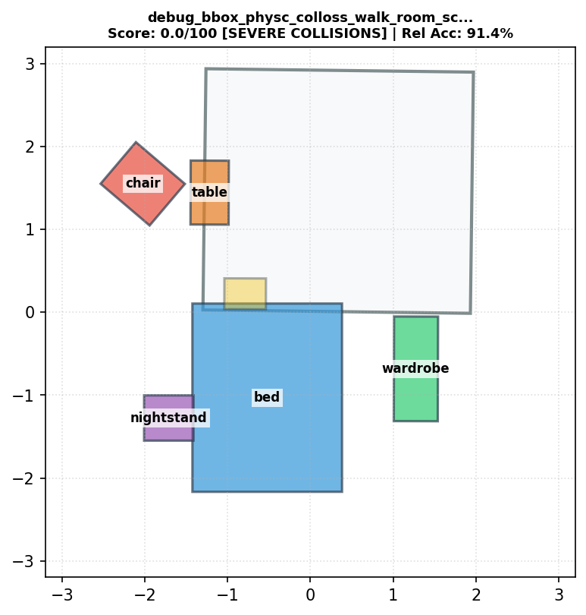 | debug_bbox_physc_colloss_walk_room_scale_1_strength_20_clip_10.1_start_0.9_interval_1.txt | 0.0 | 91.4% | 53 | 5 | lamp(6)--[above]-->bed(1), lamp(6)--[above]-->chair(2), lamp(6)--[above]-->table(4), lamp(6)--[above]-->nightstand(3), lamp(6)--[above]-->wardrobe(5) | 1 | 0.0071 | 5 | 2.1998 | 96 | 1 | 0 | SEVERE COLLISIONS
#44 |  | debug_bbox_fixed_1_strength_10.0_clip_10.1.txt | 0.0 | 89.7% | 52 | 6 | lamp(6)--[above]-->bed(1), lamp(6)--[above]-->chair(2), bed(1)--[taller than]-->chair(2), lamp(6)--[above]-->table(4), lamp(6)--[above]-->nightstand(3), lamp(6)--[above]-->wardrobe(5) | 2 | 0.5446 | 3 | 0.4422 | 61.6 | 1 | 0 | SEVERE COLLISIONS
#45 | 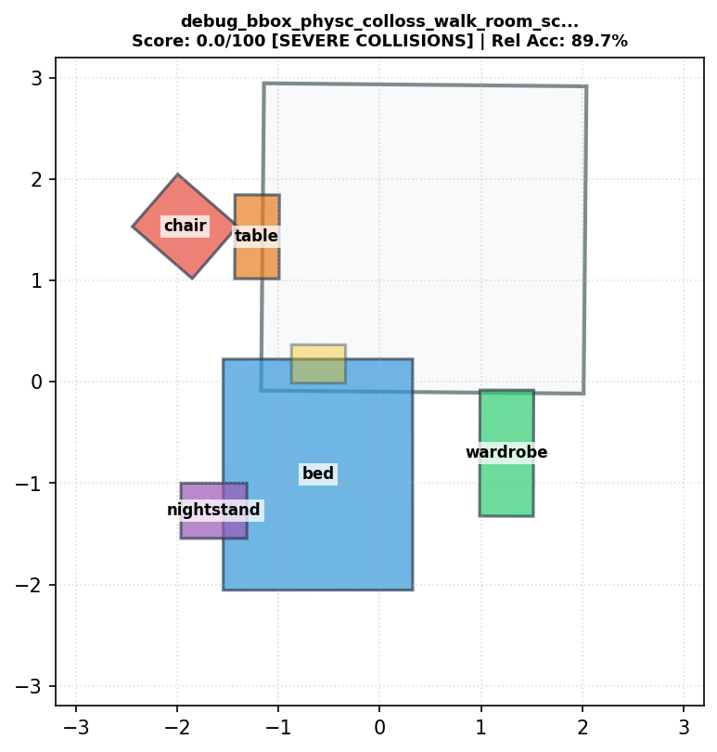 | debug_bbox_physc_colloss_walk_room_scale_1_strength_10_clip_10.1_start_0.9_interval_1_ignore_scene.txt | 0.0 | 89.7% | 52 | 6 | lamp(6)--[above]-->bed(1), lamp(6)--[above]-->chair(2), bed(1)--[taller than]-->chair(2), lamp(6)--[above]-->table(4), lamp(6)--[above]-->nightstand(3), lamp(6)--[above]-->wardrobe(5) | 2 | 0.1282 | 5 | 2.0056 | 93.5 | 1 | 0 | SEVERE COLLISIONS

